0.96
 | Points_1 | Pressure_Coefficient |  |  | x/c | Cp | x/c | Cp(rotor)
2 | -0.041283 | 0.696486 | 0.123784 | 0.165067 | 0 | 0.696486 | 0 | 0.75573567708
2 | -0.0412612 | 0.468324 | -0.041283 |  | 0.000132068 | 0.468324 | 0.000132068 | 0.5081640625
2 | -0.0411447 | 0.174379 |  |  | 0.000837842 | 0.174379 | 0.000837842 | 0.18921332465
2 | -0.0408845 | 0.316332 |  |  | 0.002414171 | 0.316332 | 0.002414171 | 0.3432421875
2 | -0.0404199 | 0.14666 |  |  | 0.005228786 | 0.14666 | 0.005228786 | 0.15913628472
2 | -0.0396835 | 0.145269 |  |  | 0.009690005 | 0.145269 | 0.009690005 | 0.15762695313
 | Cp
0 | 0.696486
0.000132068 | 0.468324
0.000837842 | 0.174379
0.002414171 | 0.316332
0.005228786 | 0.14666
0.009690005 | 0.145269
0.015808732 | 0.112774
0.023788522 | 0.0599311
0.033885634 | 0.0507627
0.046402976 | 0.0190305
0.061685255 | 0.000707861
0.080103231 | -0.0203386
0.10203372 | -0.0411698
0.127833546 | -0.0612135
0.157803801 | -0.080748
0.192144463 | -0.103212
0.230910479 | -0.126072
0.273965299 | -0.147251
0.320946646 | -0.167429
0.371252279 | -0.189095
0.424052052 | -0.206824
0.478331829 | -0.219102
0.53296419 | -0.218837
0.5867993 | -0.213021
0.638757595 | -0.217684
0.687910969 | -0.182009
0.733540926 | -0.16519
0.775163418 | -0.156328
0.812528246 | -0.120986
0.845593607 | -0.0619312
0.874481271 | 0.0153942
0.899446891 | 0.114799
0.920813973 | 0.17641
0.938952062 | 0.406727
0.954236764 | 0.386173
0.967043685 | 0.407226
0.977730255 | 0.501454
0.986599381 | 0.381685
0.993941854 | 0.643024
1 | -0.0162447
0.994172063 | 0.722519
0.987120381 | 0.386041
0.978584454 | 0.222186
0.968309838 | 0.345281
0.955975452 | 0.129666
0.941254157 | 0.130899
0.923770348 | 0.122069
0.903154477 | 0.0567828
0.879049113 | 0.0583969
...
2 | -0.0386735 | 0.112774 |  |  | 0.015808732 | 0.112774 | 0.015808732 | 0.12236762153
2 | -0.0373563 | 0.0599311 |  |  | 0.023788522 | 0.0599311 | 0.023788522 | 0.065029405382
2 | -0.0356896 | 0.0507627 |  |  | 0.033885634 | 0.0507627 | 0.033885634 | 0.055081054688
2 | -0.0336234 | 0.0190305 |  |  | 0.046402976 | 0.0190305 | 0.046402976 | 0.020649414062
2 | -0.0311008 | 0.000707861 |  |  | 0.061685255 | 0.000707861 | 0.061685255 | 0.00076807834201
2 | -0.0280606 | -0.0203386 |  |  | 0.080103231 | -0.0203386 | 0.080103231 | -0.022068793403
2 | -0.0244406 | -0.0411698 |  |  | 0.10203372 | -0.0411698 | 0.10203372 | -0.044672092014
2 | -0.0201819 | -0.0612135 |  |  | 0.127833546 | -0.0612135 | 0.127833546 | -0.066420898438
2 | -0.0152348 | -0.080748 |  |  | 0.157803801 | -0.080748 | 0.157803801 | -0.0876171875
2 | -0.00956629 | -0.103212 |  |  | 0.192144463 | -0.103212 | 0.192144463 | -0.1119921875
2 | -0.0031673 | -0.126072 |  |  | 0.230910479 | -0.126072 | 0.230910479 | -0.136796875
2 | 0.00393963 | -0.147251 |  |  | 0.273965299 | -0.147251 | 0.273965299 | -0.15977756076
2 | 0.0116947 | -0.167429 |  |  | 0.320946646 | -0.167429 | 0.320946646 | -0.18167209201
2 | 0.0199985 | -0.189095 |  |  | 0.371252279 | -0.189095 | 0.371252279 | -0.2051812066
2 | 0.028714 | -0.206824 |  |  | 0.424052052 | -0.206824 | 0.424052052 | -0.22441840278
2 | 0.0376738 | -0.219102 |  |  | 0.478331829 | -0.219102 | 0.478331829 | -0.23774088542
2 | 0.0466918 | -0.218837 |  |  | 0.53296419 | -0.218837 | 0.53296419 | -0.23745334201
2 | 0.0555782 | -0.213021 |  |  | 0.5867993 | -0.213021 | 0.5867993 | -0.23114257812
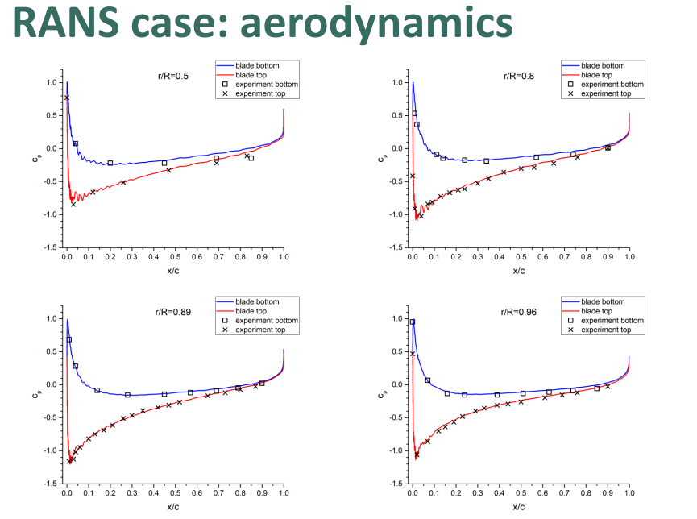
2 | 0.0641548 | -0.217684 |  |  | 0.638757595 | -0.217684 | 0.638757595 | -0.23620225694
2 | 0.0722684 | -0.182009 |  |  | 0.687910969 | -0.182009 | 0.687910969 | -0.19749240451
2 | 0.0798004 | -0.16519 |  |  | 0.733540926 | -0.16519 | 0.733540926 | -0.17924262153
2 | 0.0866709 | -0.156328 |  |  | 0.775163418 | -0.156328 | 0.775163418 | -0.16962673611
2 | 0.0928386 | -0.120986 |  |  | 0.812528246 | -0.120986 | 0.812528246 | -0.13127821181
2 | 0.0982966 | -0.0619312 |  |  | 0.845593607 | -0.0619312 | 0.845593607 | -0.067199652778
2 | 0.103065 | 0.0153942 |  |  | 0.874481271 | 0.0153942 | 0.874481271 | 0.016703776042
2 | 0.107186 | 0.114799 |  |  | 0.899446891 | 0.114799 | 0.899446891 | 0.12456488715
2 | 0.110713 | 0.17641 |  |  | 0.920813973 | 0.17641 | 0.920813973 | 0.19141710069
2 | 0.113707 | 0.406727 |  |  | 0.938952062 | 0.406727 | 0.938952062 | 0.44132703993
2 | 0.11623 | 0.386173 |  |  | 0.954236764 | 0.386173 | 0.954236764 | 0.41902452257
2 | 0.118344 | 0.407226 |  |  | 0.967043685 | 0.407226 | 0.967043685 | 0.44186848958
2 | 0.120108 | 0.501454 |  |  | 0.977730255 | 0.501454 | 0.977730255 | 0.54411241319
2 | 0.121572 | 0.381685 |  |  | 0.986599381 | 0.381685 | 0.986599381 | 0.4141547309
2 | 0.122784 | 0.643024 |  |  | 0.993941854 | 0.643024 | 0.993941854 | 0.69772569444
 |  |  |  |  |  |  |  | 0
1 | 0.123784 | -0.0162447 |  |  | 1 | -0.0162447 | 1 | -0.017626627604
1 | 0.122822 | 0.722519 |  |  | 0.994172063 | 0.722519 | 0.994172063 | 0.78398328993
1 | 0.121658 | 0.386041 |  |  | 0.987120381 | 0.386041 | 0.987120381 | 0.4188812934
1 | 0.120249 | 0.222186 |  |  | 0.978584454 | 0.222186 | 0.978584454 | 0.24108723958
1 | 0.118553 | 0.345281 |  |  | 0.968309838 | 0.345281 | 0.968309838 | 0.37465386285
1 | 0.116517 | 0.129666 |  |  | 0.955975452 | 0.129666 | 0.955975452 | 0.14069661458
1 | 0.114087 | 0.130899 |  |  | 0.941254157 | 0.130899 | 0.941254157 | 0.14203450521
1 | 0.111201 | 0.122069 |  |  | 0.923770348 | 0.122069 | 0.923770348 | 0.13245334201
1 | 0.107798 | 0.0567828 |  |  | 0.903154477 | 0.0567828 | 0.903154477 | 0.06161328125
1 | 0.103819 | 0.0583969 |  |  | 0.879049113 | 0.0583969 | 0.879049113 | 0.06336469184
1 | 0.0992083 | 0.0115947 |  |  | 0.851116819 | 0.0115947 | 0.851116819 | 0.012581054687
1 | 0.0939256 | -0.00927706 |  |  | 0.819113451 | -0.00927706 | 0.819113451 | -0.01006625434
1 | 0.0879479 | -0.0334426 |  |  | 0.782899671 | -0.0334426 | 0.782899671 | -0.036287543403
1 | 0.0812793 | -0.0598914 |  |  | 0.742500318 | -0.0598914 | 0.742500318 | -0.064986328125
1 | 0.0739568 | -0.0927308 |  |  | 0.698139543 | -0.0927308 | 0.698139543 | -0.10061935764
1 | 0.066054 | -0.116698 |  |  | 0.650263226 | -0.116698 | 0.650263226 | -0.12662543403
1 | 0.0576824 | -0.148578 |  |  | 0.599546851 | -0.148578 | 0.599546851 | -0.16121744792
1 | 0.0489868 | -0.183459 |  |  | 0.546867636 | -0.183459 | 0.546867636 | -0.19906575521
1 | 0.0401364 | -0.218493 |  |  | 0.493250619 | -0.218493 | 0.493250619 | -0.23708007813
1 | 0.0313126 | -0.257434 |  |  | 0.43979475 | -0.257434 | 0.43979475 | -0.27933376736
1 | 0.0226942 | -0.299524 |  |  | 0.387583224 | -0.299524 | 0.387583224 | -0.32500434028
1 | 0.014444 | -0.345288 |  |  | 0.337602307 | -0.345288 | 0.337602307 | -0.37466145833
1 | 0.00669683 | -0.392684 |  |  | 0.290668819 | -0.392684 | 0.290668819 | -0.42608940972
1 | -0.000446744 | -0.447682 |  |  | 0.247392004 | -0.447682 | 0.247392004 | -0.48576605903
1 | -0.00692334 | -0.500223 |  |  | 0.20815584 | -0.500223 | 0.20815584 | -0.54277669271
1 | -0.0127049 | -0.557211 |  |  | 0.173130305 | -0.557211 | 0.173130305 | -0.60461263021
1 | -0.0177937 | -0.568518 |  |  | 0.142301611 | -0.568518 | 0.142301611 | -0.61688151042
1 | -0.0222164 | -0.598297 |  |  | 0.115508248 | -0.598297 | 0.115508248 | -0.6491937934
1 | -0.026016 | -0.613462 |  |  | 0.092489716 | -0.613462 | 0.092489716 | -0.66564887153
1 | -0.0292461 | -0.601712 |  |  | 0.072921299 | -0.601712 | 0.072921299 | -0.65289930556
1 | -0.0319647 | -0.58757 |  |  | 0.056451623 | -0.58757 | 0.056451623 | -0.63755425347
1 | -0.0342298 | -0.472302 |  |  | 0.042729316 | -0.472302 | 0.042729316 | -0.51248046875
1 | -0.0360961 | -0.375087 |  |  | 0.031422998 | -0.375087 | 0.031422998 | -0.40699544271
1 | -0.0376124 | -0.279805 |  |  | 0.022237031 | -0.279805 | 0.022237031 | -0.3036078559
1 | -0.0388198 | -0.178135 |  |  | 0.014922425 | -0.178135 | 0.014922425 | -0.19328884549
1 | -0.039751 | 0.112099 |  |  | 0.00928108 | 0.112099 | 0.00928108 | 0.12163519965
1 | -0.0404312 | 0.243908 |  |  | 0.005160329 | 0.243908 | 0.005160329 | 0.26465711806
1 | -0.0409106 | 0.630283 |  |  | 0.002256054 | 0.630283 | 0.002256054 | 0.68390082465
1 | -0.0411845 | 0.558174 |  |  | 0.000596727 | 0.558174 | 0.000596727 | 0.60565755208

